KITCHEN HOOD
Project | Continental Hotel Project |  | CONSULTANT
Location |  |  | CONTRACTOR
Building Ref. | Continental Hotel Project |  | DESIGNER | QA
Kitchen Hood Ref. | Hood 001 |  | DATE | 2016-05-09
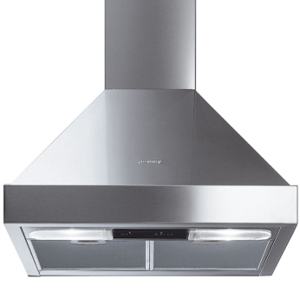
FAN CAPACITY |  |  | KED SIZING |  | FAD SIZING
Length of stove(ft) - L | 2.952 |  | TOTAL CFM | 2978.24 | CFM(85% 0f Exhaust air) | 2531.504
Equivalent Length(ft) | 5.1824 |  | V=Velocity in fpm(1500-2000 fpm) | 1800 | Q=CFM | 2531.504
Width of stove(ft) - W | 2.296 |  | A=Area in ft2 | 1.6545777778 | Velocity in fpm | 1800
Equivalent Length(ft) | 4.5264 |  | Area in sq.m | 0.15387573333 | Area in sq. ft | 1.4063911111
height(ft) - H (between stove and hood) | 2.788 |  | Area in sq.mm | 153875.73333 | Area in sq.m | 0.13079437333
Type of hood(wall/Island) | wall | ISLAND | Usual height of duct -mm | 400 | Area in sq. mm | 130794.37333
 |  |  | Width of duct-mm | 384.68933333 | height of duct-mm | 350
Duty(Heavy/Medium/Low) | heavy | WALL | aspect ratio=(w/h,should <4) | 0.96172333333 | width-mm | 373.69820952
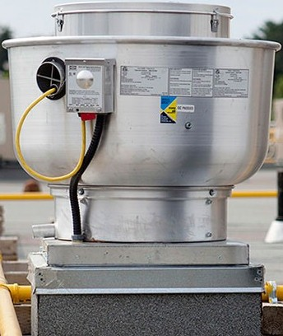
P of hood | 14.8912 |  |  |  | Aspect Ration | 1.0677091701
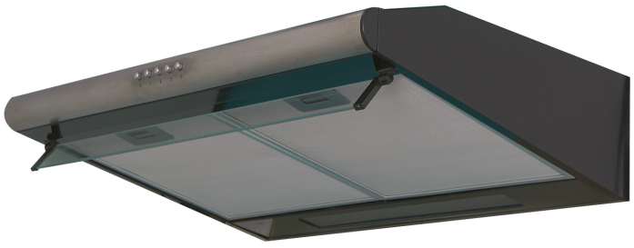
P-wall | 14.8912
P-island | 19.4176
 |  |  |  |  | Centrifugal Upblast Exhaust Fans
CFM | 200

FINAL CFM | 2978.24

Sample
